Sheet1
 |  |  | Destroyer 2 | Destroyer 3 | Destroyer 3 raiding |  | hit avoidance probability
light | 45 | speed | 38.1 | 40.8 | 43.8 |  | Destroyer 2 |  | Destroyer 3 |  |  |  | Destroyer 3 raiding
heavy | 80 | visibility | 10 | 9.3 | 9.3 | hours fired upon | light | heavy | light | % of DS 2 | heavy | % of DS 2 | light | % of DS 2 | heavy | % of DS 2
 |  |  |  |  |  |  | D 2 | D 2 | D3 | D3 as % of D2 | D3 | D3 as % of D2 | D3 raiding | D3 raid as % of D2 | D3 raiding | D3 raid as % of D2
Hit avoidance probability against LIGHT guns by number of hours fired upon
torpedo | 140 |  |  |  |  | 1 | 0.97 | 0.99 | 0.97 | 101% | 0.99 | 100% | 0.98 | 101% | 0.99 | 100%
 |  | hit chance |  |  |  | 2 | 0.93 | 0.98 | 0.95 | 102% | 0.98 | 101% | 0.96 | 102% | 0.99 | 101%
base chance | 10% | light | 3.4% | 2.6% | 2.2% | 3 | 0.90 | 0.97 | 0.92 | 103% | 0.98 | 101% | 0.93 | 104% | 0.98 | 101%
 |  | heavy | 1.1% | 0.8% | 0.7% | 4 | 0.87 | 0.96 | 0.90 | 104% | 0.97 | 101% | 0.91 | 105% | 0.97 | 102%
 |  | torpedo | 0.35% | 0.27% | 0.23% | 5 | 0.84 | 0.95 | 0.88 | 104% | 0.96 | 101% | 0.89 | 106% | 0.97 | 102%
 |  |  |  |  |  | 6 | 0.81 | 0.94 | 0.86 | 105% | 0.95 | 102% | 0.87 | 108% | 0.96 | 102%
 |  | cost | 939 | 1100 | 1100 | 7 | 0.78 | 0.93 | 0.83 | 106% | 0.94 | 102% | 0.85 | 109% | 0.95 | 103%
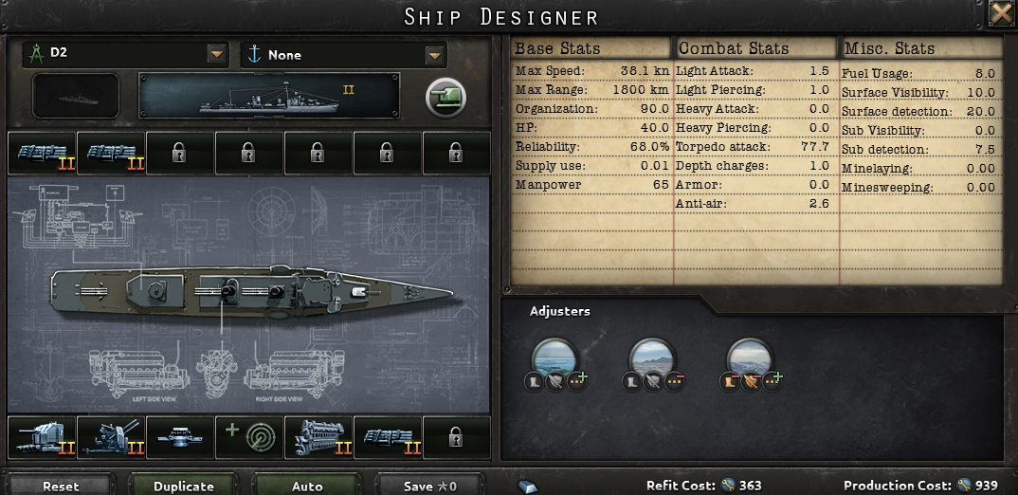
 |  |  |  |  |  | 8 | 0.76 | 0.92 | 0.81 | 107% | 0.94 | 102% | 0.84 | 110% | 0.95 | 103%
 |  |  |  |  |  | 9 | 0.73 | 0.91 | 0.79 | 108% | 0.93 | 102% | 0.82 | 112% | 0.94 | 103%
 |  |  |  |  |  | 10 | 0.71 | 0.90 | 0.77 | 109% | 0.92 | 103% | 0.80 | 113% | 0.93 | 104%
 |  |  |  |  |  | 11 | 0.68 | 0.89 | 0.75 | 110% | 0.91 | 103% | 0.78 | 114% | 0.93 | 104%
 |  |  |  |  |  | 12 | 0.66 | 0.88 | 0.73 | 111% | 0.91 | 103% | 0.76 | 116% | 0.92 | 105%
 |  |  |  |  |  | 13 | 0.64 | 0.87 | 0.71 | 112% | 0.90 | 104% | 0.75 | 117% | 0.91 | 105%
 |  |  |  |  |  | 14 | 0.62 | 0.86 | 0.69 | 113% | 0.89 | 104% | 0.73 | 118% | 0.91 | 105%
 |  |  |  |  |  | 15 | 0.60 | 0.85 | 0.68 | 114% | 0.88 | 104% | 0.71 | 120% | 0.90 | 106%
 |  |  |  |  |  | 16 | 0.57 | 0.84 | 0.66 | 115% | 0.88 | 104% | 0.70 | 121% | 0.89 | 106%
 |  |  |  |  |  | 17 | 0.56 | 0.83 | 0.64 | 116% | 0.87 | 105% | 0.68 | 123% | 0.89 | 107%
 |  |  |  |  |  | 18 | 0.54 | 0.82 | 0.63 | 117% | 0.86 | 105% | 0.67 | 124% | 0.88 | 107%
 |  |  |  |  |  | 19 | 0.52 | 0.81 | 0.61 | 118% | 0.86 | 105% | 0.65 | 126% | 0.87 | 107%
Hit avoidance probability against HEAVY guns by number of hours fired upon
 |  |  |  |  |  | 20 | 0.50 | 0.81 | 0.59 | 119% | 0.85 | 105% | 0.64 | 127% | 0.87 | 108%
 |  |  |  |  |  | 21 | 0.48 | 0.80 | 0.58 | 120% | 0.84 | 106% | 0.62 | 129% | 0.86 | 108%
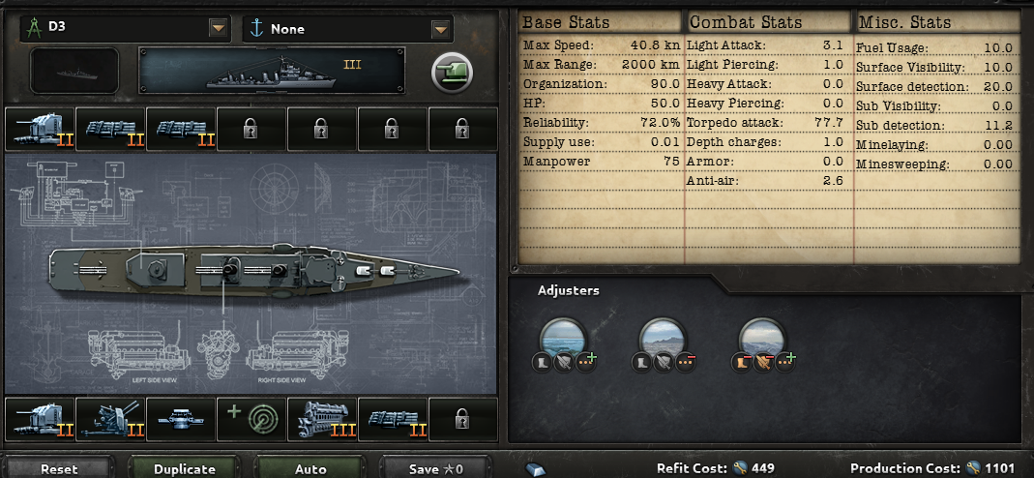
 |  |  |  |  |  | 22 | 0.47 | 0.79 | 0.56 | 121% | 0.84 | 106% | 0.61 | 130% | 0.86 | 109%
 |  |  |  |  |  | 23 | 0.45 | 0.78 | 0.55 | 122% | 0.83 | 106% | 0.60 | 132% | 0.85 | 109%
 |  |  |  |  |  | 24 | 0.44 | 0.77 | 0.54 | 123% | 0.82 | 107% | 0.58 | 134% | 0.84 | 109%
 |  |  |  |  |  | 25 | 0.42 | 0.76 | 0.52 | 124% | 0.82 | 107% | 0.57 | 135% | 0.84 | 110%
 |  |  |  |  |  | 26 | 0.41 | 0.75 | 0.51 | 125% | 0.81 | 107% | 0.56 | 137% | 0.83 | 110%
 |  |  |  |  |  | 27 | 0.39 | 0.75 | 0.50 | 126% | 0.80 | 107% | 0.54 | 139% | 0.83 | 111%
 |  |  |  |  |  | 28 | 0.38 | 0.74 | 0.48 | 127% | 0.80 | 108% | 0.53 | 140% | 0.82 | 111%
 |  |  |  |  |  | 29 | 0.37 | 0.73 | 0.47 | 128% | 0.79 | 108% | 0.52 | 142% | 0.81 | 111%
 |  |  |  |  |  | 30 | 0.35 | 0.72 | 0.46 | 130% | 0.78 | 108% | 0.51 | 144% | 0.81 | 112%
 |  |  |  |  |  | 31 | 0.34 | 0.71 | 0.45 | 131% | 0.78 | 109% | 0.50 | 145% | 0.80 | 112%
 |  |  |  |  |  | 32 | 0.33 | 0.71 | 0.44 | 132% | 0.77 | 109% | 0.49 | 147% | 0.80 | 113%
 |  |  |  |  |  | 33 | 0.32 | 0.70 | 0.42 | 133% | 0.76 | 109% | 0.48 | 149% | 0.79 | 113%
 |  |  |  |  |  | 34 | 0.31 | 0.69 | 0.41 | 134% | 0.76 | 110% | 0.47 | 151% | 0.79 | 114%
 |  |  |  |  |  | 35 | 0.30 | 0.68 | 0.40 | 135% | 0.75 | 110% | 0.45 | 153% | 0.78 | 114%
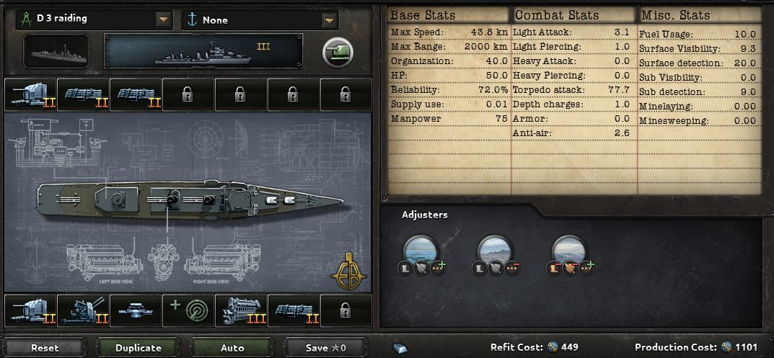
 |  |  |  |  |  | 36 | 0.29 | 0.68 | 0.39 | 136% | 0.75 | 110% | 0.44 | 155% | 0.78 | 114%
 |  |  |  |  |  | 37 | 0.28 | 0.67 | 0.38 | 138% | 0.74 | 110% | 0.43 | 156% | 0.77 | 115%
 |  |  |  |  |  | 38 | 0.27 | 0.66 | 0.37 | 139% | 0.73 | 111% | 0.43 | 158% | 0.76 | 115%
 |  |  |  |  |  | 39 | 0.26 | 0.66 | 0.36 | 140% | 0.73 | 111% | 0.42 | 160% | 0.76 | 116%
 |  |  |  |  |  | 40 | 0.25 | 0.65 | 0.35 | 141% | 0.72 | 111% | 0.41 | 162% | 0.75 | 116%
 |  |  |  |  |  | 41 | 0.24 | 0.64 | 0.34 | 142% | 0.72 | 112% | 0.40 | 164% | 0.75 | 117%
 |  |  |  |  |  | 42 | 0.23 | 0.63 | 0.34 | 144% | 0.71 | 112% | 0.39 | 166% | 0.74 | 117%
 |  |  |  |  |  | 43 | 0.23 | 0.63 | 0.33 | 145% | 0.70 | 112% | 0.38 | 168% | 0.74 | 118%
 |  |  |  |  |  | 44 | 0.22 | 0.62 | 0.32 | 146% | 0.70 | 112% | 0.37 | 170% | 0.73 | 118%
 |  |  |  |  |  | 45 | 0.21 | 0.61 | 0.31 | 147% | 0.69 | 113% | 0.36 | 172% | 0.73 | 118%
 |  |  |  |  |  | 46 | 0.20 | 0.61 | 0.30 | 149% | 0.69 | 113% | 0.35 | 174% | 0.72 | 119%
 |  |  |  |  |  | 47 | 0.20 | 0.60 | 0.29 | 150% | 0.68 | 113% | 0.35 | 177% | 0.72 | 119%
 |  |  |  |  |  | 48 | 0.19 | 0.59 | 0.29 | 151% | 0.68 | 114% | 0.34 | 179% | 0.71 | 120%
 |  |  |  |  |  | 49 | 0.18 | 0.59 | 0.28 | 153% | 0.67 | 114% | 0.33 | 181% | 0.71 | 120%
 |  |  |  |  |  | 50 | 0.18 | 0.58 | 0.27 | 154% | 0.67 | 114% | 0.32 | 183% | 0.70 | 121%
 |  |  |  |  |  | 51 | 0.17 | 0.58 | 0.27 | 155% | 0.66 | 115% | 0.32 | 185% | 0.70 | 121%
 |  |  |  |  |  | 52 | 0.17 | 0.57 | 0.26 | 157% | 0.65 | 115% | 0.31 | 188% | 0.69 | 122%
 |  |  |  |  |  | 53 | 0.16 | 0.56 | 0.25 | 158% | 0.65 | 115% | 0.30 | 190% | 0.69 | 122%
 |  |  |  |  |  | 54 | 0.15 | 0.56 | 0.25 | 159% | 0.64 | 116% | 0.30 | 192% | 0.68 | 122%
 |  |  |  |  |  | 55 | 0.15 | 0.55 | 0.24 | 161% | 0.64 | 116% | 0.29 | 195% | 0.68 | 123%
 |  |  |  |  |  | 56 | 0.14 | 0.55 | 0.23 | 162% | 0.63 | 116% | 0.28 | 197% | 0.67 | 123%
 |  |  |  |  |  | 57 | 0.14 | 0.54 | 0.23 | 163% | 0.63 | 116% | 0.28 | 199% | 0.67 | 124%
 |  |  |  |  |  | 58 | 0.13 | 0.53 | 0.22 | 165% | 0.62 | 117% | 0.27 | 202% | 0.66 | 124%
 |  |  |  |  |  | 59 | 0.13 | 0.53 | 0.22 | 166% | 0.62 | 117% | 0.26 | 204% | 0.66 | 125%
 |  |  |  |  |  | 60 | 0.13 | 0.52 | 0.21 | 168% | 0.61 | 117% | 0.26 | 207% | 0.65 | 125%
 |  |  |  |  |  | 61 | 0.12 | 0.52 | 0.20 | 169% | 0.61 | 118% | 0.25 | 209% | 0.65 | 126%
 |  |  |  |  |  | 62 | 0.12 | 0.51 | 0.20 | 171% | 0.60 | 118% | 0.25 | 212% | 0.65 | 126%
 |  |  |  |  |  | 63 | 0.11 | 0.51 | 0.19 | 172% | 0.60 | 118% | 0.24 | 214% | 0.64 | 127%
 |  |  |  |  |  | 64 | 0.11 | 0.50 | 0.19 | 174% | 0.59 | 119% | 0.24 | 217% | 0.64 | 127%
 |  |  |  |  |  | 65 | 0.11 | 0.49 | 0.18 | 175% | 0.59 | 119% | 0.23 | 220% | 0.63 | 128%
 |  |  |  |  |  | 66 | 0.10 | 0.49 | 0.18 | 177% | 0.58 | 119% | 0.23 | 222% | 0.63 | 128%
 |  |  |  |  |  | 67 | 0.10 | 0.48 | 0.18 | 178% | 0.58 | 120% | 0.22 | 225% | 0.62 | 129%
 |  |  |  |  |  | 68 | 0.10 | 0.48 | 0.17 | 180% | 0.57 | 120% | 0.22 | 228% | 0.62 | 129%
 |  |  |  |  |  | 69 | 0.09 | 0.47 | 0.17 | 181% | 0.57 | 120% | 0.21 | 230% | 0.61 | 130%
 |  |  |  |  |  | 70 | 0.09 | 0.47 | 0.16 | 183% | 0.57 | 121% | 0.21 | 233% | 0.61 | 130%
 |  |  |  |  |  | 71 | 0.09 | 0.46 | 0.16 | 184% | 0.56 | 121% | 0.20 | 236% | 0.61 | 131%
 |  |  |  |  |  | 72 | 0.08 | 0.46 | 0.15 | 186% | 0.56 | 121% | 0.20 | 239% | 0.60 | 131%

